1. Title Page
[Grocery Basket Analysis]

Project Name: Grocery Basket Analysis
Date:6/10/2021
Analyst Name: Jennifer DePizzo
Data:"The instacart Online Grocery Shopping Dataset 2017",Accessed from https://www.instacart.com/datasets/grocery-shopping-2017 on 5/7/2021; data on prices and customer information was fabricated for the purpose of the achievement

Contents:
Population Flow
Consistency checks
Wrangling steps
Column derivations
Visualizations
Recommendations

2. Population Flow
 |  | Title page

Population flow

Exclusion flag
Condition: max_order <
Obervations to be removed:
Final total count of order_products_all:

Orders_products_combined
Orders_products_merged
Orders_products_all

Total:
Total:
Total:
32434489 | 32404859

1.) The grey boxes in the first row of the population flow represent the original data sets as they were when you downloaded them. In the Total fields you need to add the count of the rows when you imported the data set into Jupyter.
2.) The second row of boxes (coloured) represents the data sets after you manipulated them, e.g., removed missing values and duplicates. In the Total fields you need to add the count of the rows after conducting these operations. This offers a visual oveview of how the data flows throughout the data consistency checks.
3.) The third row, where also the arrows are coloured, represents the merges you performed between the datasets. In the Total fields you need to add the count of the rows in the merged datasets, so that you end up with the final dataset (in the red box). Keep in mind the final dataset should be without exclusions (based on the exclusion flag).

3. Consistency checks
 |  |  |  | Title page
Consistency checks

Dataset | Missing values | Missing values treatment | Duplicates
orders | days since prior order | represents a data value, not actually missing
products | product names |  | removed duplicate rows
orders_products_prior
customers | first name | not relevant to analysis

4. Wrangling steps
 |  |  |  | Title page
Wrangling steps

Columns dropped | Columns renamed | Columns' type changed | Comment/Reason
 |  | df_orders['user_id'] | changed from integer to string, as value is descriptive not quantitative
 | df_orders['order_hour_of_day'] |  | changed to 'time order placed';more descriptive
 | df_orders['order_dow'] |  | changed to 'orders_day_of_week;more descriptive
df_orders['eval_set'] |  |  | unnecessary for instacart analysis

5. Column derivations
 |  |  |  | Title page

Column derivations and aggregations

In this tab you should add tables below that the frequences of flags/label variables that you produced after deriving them. NB: don't do this for continuous variables, only for flags.
Dataset | New column | Column/s it was derived from | Conditions
orders_products_merged | price_range_loc | prices | >15;5-15;<5
orders_products_merged | busiest day of the week | orders_day_of_week | # of orders/day
orders_products_merged | busiest period of day | time orders placed | #orders/hour
orders_products_merged | loyalty flag | max_order | >40;40-10;<10
orders_products_merged | avg price | user_id,prices
orders_products_merged | spending flag | avg price | >10;<=10
orders_products_merged | order frequency | user_id,days since prior order
orders_products_merged | frequency flag | order frequency | >20;20-10;<=10
all data merged | region flag | state | state by census region

6. Visualizations
 |  |  |  |  |  |  |  |  |  | Title page

Visualisations

In this tab you should include all the visualtions from Exercises 4.9 and 4.10, alongside the questions from the project brief that they answer. Include any commentary on the relationship between different variables.

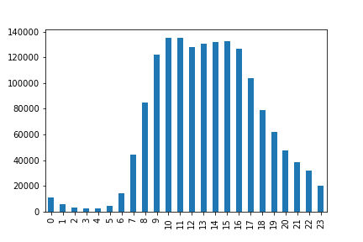
Orders by Hour of day

 |  |  |  |  |  |  | This chart represents the frequency of orders placed at various times during the day.
Frequency of orders |  |  |  |  |  |  | 9am to 4pm represent the highest order frequency times. Early morning hours represent
 |  |  |  |  |  |  | the lowest frequencies |  |  | (midnight through 6am)

Hours of Day

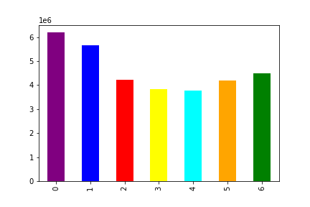
Orders; Day of the Week

 | order frequency |  |  |  |  | This visualization represents the frequency of orders by day of the week.
 |  |  |  |  |  | The beginning of the week and the end of the week see the highest frequency
 |  |  |  |  |  | of orders.

Days of the Week

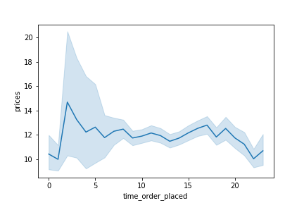
Prices by Hour of Day

 |  |  |  |  | Comparing prices by time of order placement reveals that the most expensive items are
 |  |  |  |  | purchased at the earliest hours of the day.
 |  |  |  |  | Overall, instacart customers are relatively consistent in their purchase prices throughout
 |  |  |  |  | the day.

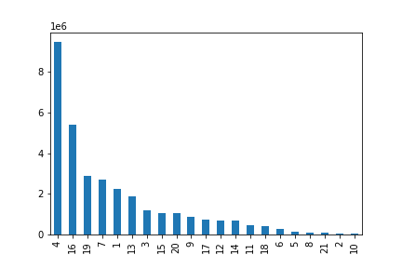
Frequency of order by Department

 |  |  |  |  |  | Department 4; produce, represents the largest orders by instacart customers with
 |  |  |  |  |  | Department 16; dairy/eggs comprising the next most purchased from department
 |  |  |  |  |  | The following deparments have orders over 2 million; 19(snacks),7(beverages),1(frozen)

frequency of order

Department

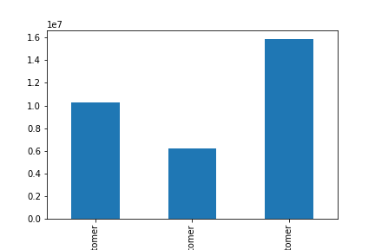
Customer Loyalty

 |  |  |  |  |  |  | Most instacart users are purchasing between 10 and 40 times and are therefore tagged as regular customers

 |  |  |  |  |  |  | Loyal customers, those who have made over 40 purchases, are the next largest group but are significantly less
 |  |  |  |  |  |  | than Regular customers.

 | counts

Loyal Customer New Customer Regular Customer

Average Order Frequency by Region

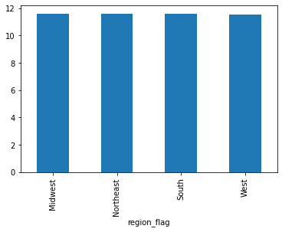

 |  |  |  |  |  |  | There is no discernable difference in order frequency across regions of the US
 |  |  |  |  |  |  | Midwest 11.605743
 |  |  |  |  |  |  | Northeast 11.556148
 |  |  |  |  |  |  | South 11.572190
 |  |  |  |  |  |  | West 11.541689

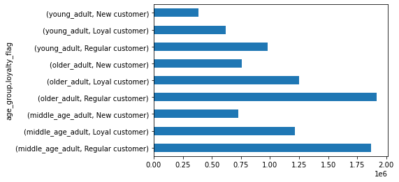

 |  |  |  |  |  | older adults and midddle age adults comprise the largest set of instacart users
 |  |  |  |  |  | Of those customers, the majority are Regular customers, placing between 10 and 40 orders

 |  | family status |  | average age

 |  | divorced/widowed 70.514295
 |  | living with parents and siblings 19.502405
 |  | married 51.489847
 |  | single 38.584686

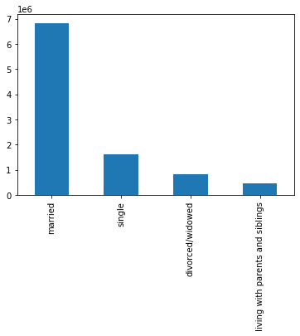
Family Status of Instacart Users

 |  |  |  |  |  |  |  |  | The majority of instacart users are married, with the average age falling in the middle age
 |  |  |  |  |  |  |  |  | adult category.

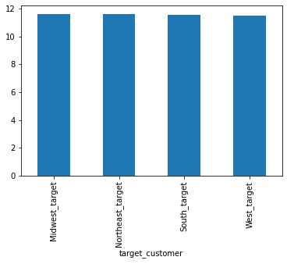
Average Order Frequency by Target Customer in Various Regions

 |  |  |  |  |  |  |  |  |  | "Target Customer" refers to married, middle-age adult.
 |  |  | Midwest_target 11.605532 |  |  |  |  |  |  | Little variation across regions in order frequency
 |  |  | Northeast_target 11.634250
 |  |  | South_target 11.560890
 |  |  | West_target 11.509135

Target Customer Max Orders by Region
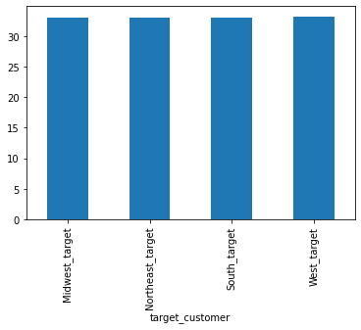

 |  |  |  |  | Midwest_target 33.036338 |  |  |  |  |  | As with order frequency, there is not much difference in
 |  |  |  |  | Northeast_target 32.990202 |  |  |  |  |  | ordering habits among the Target Customer group across regions
 |  |  |  |  | South_target 33.052742
 |  |  |  |  | West_target 33.277563

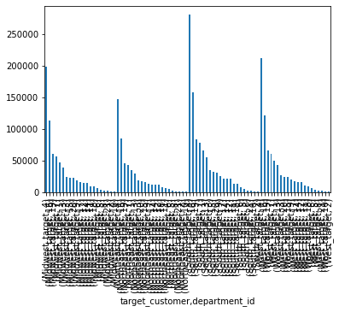
Department of highest frequency by Region for Target Customers

 |  |  | West_target |  | 4 508578 |  |  | Northeast_taget |  | 4 353211
 |  |  |  |  | 16 292057 |  |  |  |  | 16 201688
 |  |  |  |  | 19 157182 |  |  |  |  | 19 109648
 |  |  |  |  | 7 143795 |  |  |  |  | 7 102371
 |  |  |  |  | 1 120949 |  |  |  |  | 1 82757
 |  |  |  |  |  |  |  |  |  |  |  | Across regions, instacart Target Customers show no
 |  |  |  |  |  |  |  |  |  |  |  | variation in departments that experience the highest
 |  |  |  |  |  |  |  |  |  |  |  | frequency in orders

 |  |  | Midwest_target |  | 4 468788 |  |  | South | 4 663719
 |  |  |  |  | 16 264771 |  |  |  | 16 377461
 |  |  |  |  | 19 141969 |  |  |  | 19 200428
 |  |  |  |  | 7 132955 |  |  |  | 7 188270
 |  |  |  |  | 1 110817 |  |  |  | 1 156834

7. Recommendations
 |  |  | Title page

Recommendations

In this tab you should include any recommendations you would made to Instcart in terms of their marketing strategy based on the questions posed in the brief. Every key question has been covered in the Tasks of the Exercises - here you need to add an item - a visualisation or table/crosstable that is showing the answer in the data, acompanied by a comment from you. Please, list the questions below and add the answer underneath.

 | Question | Answer
 | Key Question 1 :What are the Busiest days of the week and hours of the day.
The least busy days are mid-week and during the early morning hours,between midnight and 6am.Ads should be scheduled between Mon-Thurs between hours 11pm and 6am
 | Key Question 2 :Are there particular times of the day when more money is spent?
highest priced items are purchased at early morning hours. Overall, instacart users are relatively consistent in their expenditures.
 | Key Question 3:What are the departments with the highest frequency of product orders?
Departments with the highest order frequency are; produce,dairy/eggs, snacks,beverages, and frozen. These do not change across regions.
 | Key Question 4: How often do users return to instacart?
The largest number of instacart users purchase between 10 and 40 times. Loyal customers(those ordering 40 or more times) are NOT the largest number of instacart users
 | Key Question 5: Are there differences in ordering habits by region?
Across regions, instacart users average around 11.5 orders. There are no great variations in usage by region
 | Key Question 6: is there a variation in age and family status and order frequency?
The majority of instacart purchases are made by older adults (55+) and middle age adults (30-54). These instacart users are purchasing between 10 and 40 times.
 | Key Question 7:What does the demographic information suggest?
The largest population of instacart users are married, middle age adults. They tend to order from the same departments, regardless of region.
These users also tend to order within the same time of day and on the same days.
The data suggests that these adults may be ordering on the weekends, to stock up for the week; but sleeping in as they are not ordering very early in the morning.

